Male Figure Imperial
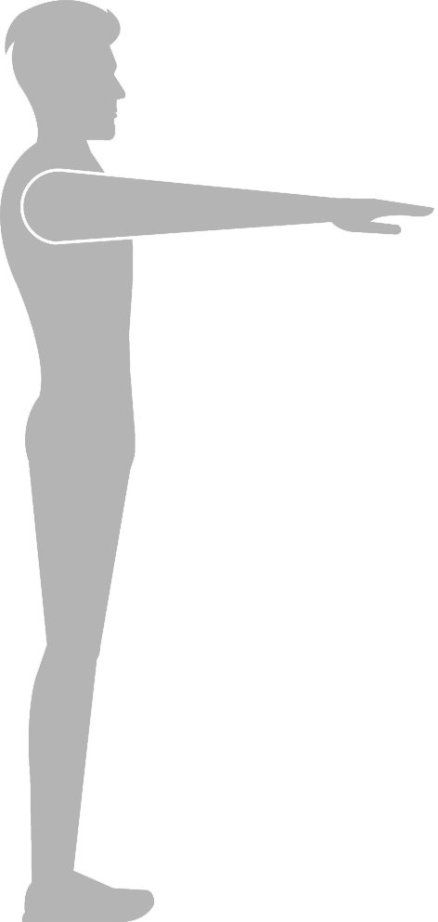
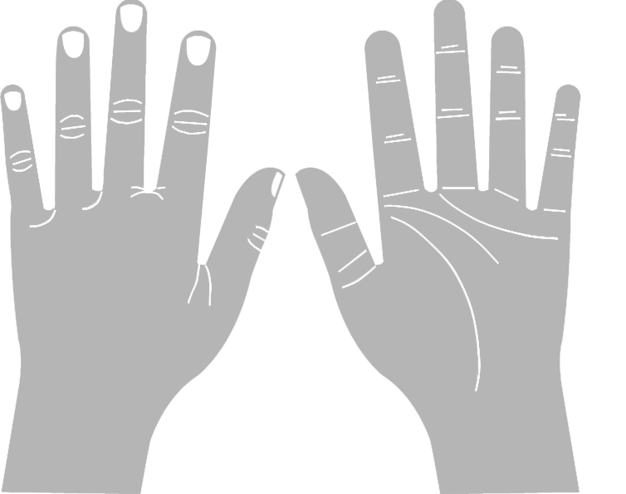
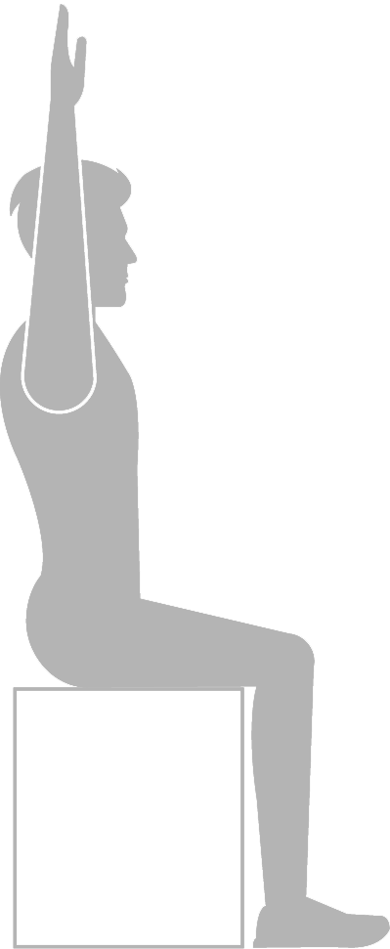
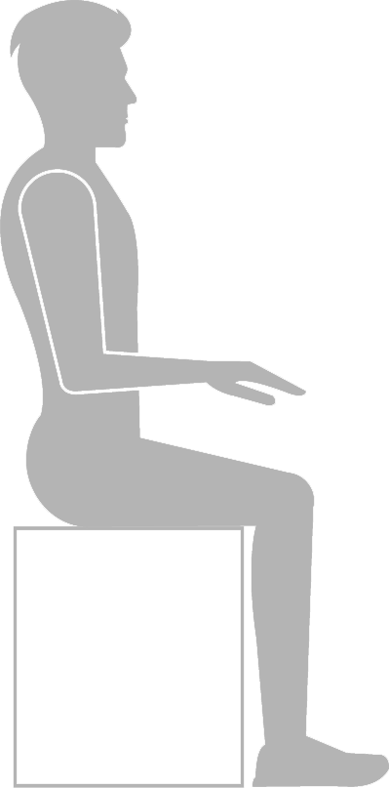
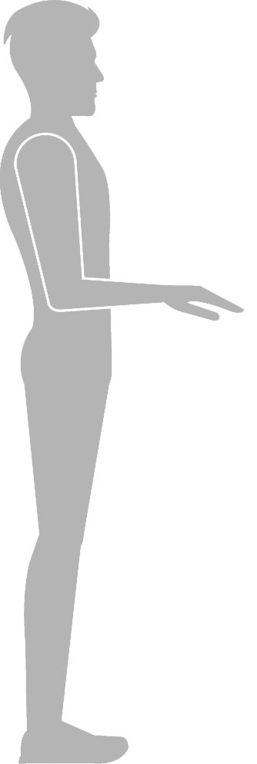
Seated Overhead Reach
Seated Shoulder Height
Seated Waist Height
Standing
Knee Height
Standing Hip Height
Standing ElbowHeight
Standing Shoulder
Height
Standing Eye Height
Standing Chest
Height
Forearm - Hand
Length
Shoulder - Elbow Length
Arm Length
Standing Waist Height
Forearm - Center of Grip
Hand Length
Palm Length
Hand Breadth
Seated Elbow Height
Seated Popliteal Height
Buttock-Knee Length
Seated Thigh Clearance
Seated Eye Height
Seated Knee Height
Seated Head Height
Buttock-Popliteal Length
44.7
40.6
17.4
21.8
13.3
20.0
21.4
11.4
15.6
25.1
11.5
59.9
6.5
3.1
4.0
15.3
29.7
46.7
53.4
42.0
34.3
17.7
33.8
35.5
20.7
Back to main page |  | Male Imperial Data (Inches) - Graphic View
 | Select Height | Height (inches) | Weight (lbs.)
 |  | 57.5 | 126

Measurement Conversion
Enter inches into empty field to get value in mm and cm
 | inches
0 | mm
0 | cm

Female Figure Imperial
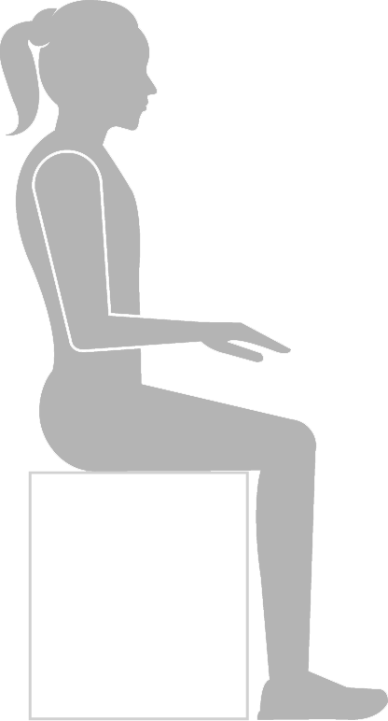
Seated Overhead Reach
Seated Shoulder Height
Seated Waist Height
Standing
Knee Height
Standing Hip Height
Standing ElbowHeight
Standing Shoulder
Height
Standing Eye Height
Standing Chest
Height
Shoulder - Elbow Length
Arm Length
Standing Waist Height
Forearm - Hand
Length
Forearm - Center of Grip
Hand Length
Palm Length
Hand Breadth
Seated Elbow Height
Seated Popliteal Height
Buttock-Knee Length
Seated Thigh Clearance
Seated Eye Height
Seated Knee Height
Seated Head Height
Buttock-Popliteal Length
47.6
44.2
18.5
24.3
15.3
20.4
22.5
12.7
18.8
27.6
12.8
64.3
7.1
3.0
4.2
16.7
32.8
51.3
58.4
45.0
39.0
19.6
38.5
38.2
21.8
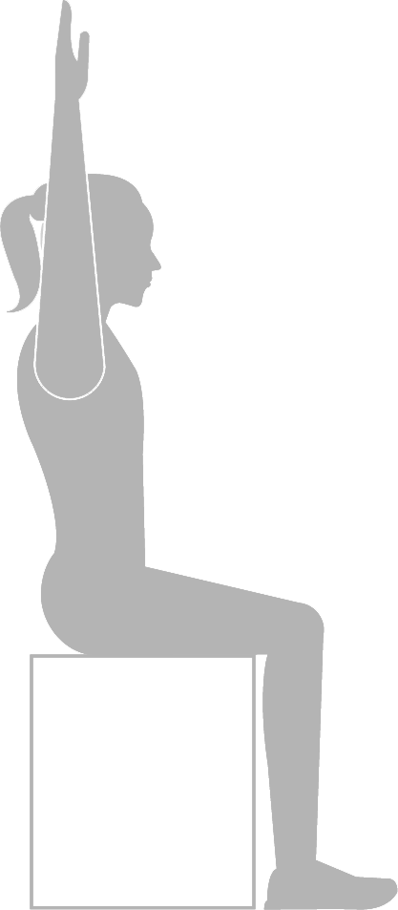
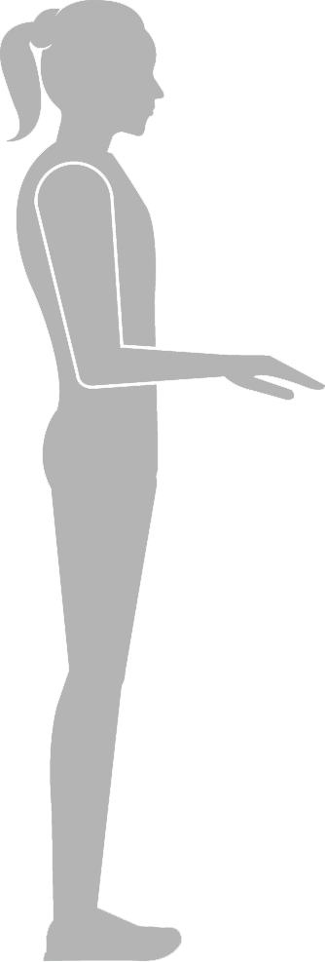

Back to main page |  | Female Imperial Data (Inches) - Graphic View
 | Select Height | Height (inches) | Weight (lbs.)
 |  | 62.5 | 138.2

Measurement Conversion
Enter inches into empty field to get value in mm and cm
 | inches
0 | mm
0 | cm

Male Figure Metric
Seated Overhead Reach
Seated Shoulder Height
Seated Waist Height
Standing
Knee Height
Standing Hip Height
Standing ElbowHeight
Standing Shoulder
Height
Standing Eye Height
Standing Chest
Height
Forearm - Hand
Length
Shoulder - Elbow Length
Arm Length
Standing Waist Height
Forearm - Center of Grip
Hand Length
Palm Length
Hand Breadth
Seated Elbow Height
Seated Popliteal Height
Buttock-Knee Length
Seated Thigh Clearance
Seated Eye Height
Seated Knee Height
Seated Head Height
Buttock-Popliteal Length
1280.1
1168.5
493.8
627.5
407.3
574.2
593.5
339.3
461.8
733.2
337.0
1684.3
184.6
85.3
111.1
459.4
885.1
1366.1
1539.3
1272.4
1020.6
517.5
989.6
1018.5
594.2
Back to main page |  | Male Metric Data (Millimetres) - Graphic View
 | Select Height | Height (mm) | Weight (kg)
 |  | 1651 | 73.2

Measurement Conversion
Enter inches into empty field to get value in mm and cm
 | inches
0 | mm
0 | cm

Female Figure Metric
Standing
Knee Height
Standing Hip Height
Standing ElbowHeight
Standing Shoulder
Height
Standing Eye Height
Standing Chest
Height
515.2
974.4
1484.7
1687.2
1318.7
1126.6
Forearm - Hand
Length
Shoulder -
Elbow Length
383.5
812.0
Arm Length
Standing Waist Height
609.6
Forearm - Center of Grip
1130.6
381.0
Seated Overhead Reach
Seated Shoulder Height
Seated Waist Height
642.6
1905.0
1138.1
Back to main page |  | Female Metric Data (Millimetres) - Graphic View
 | Select Height | Height (mm) | Weight (kg)
 |  | 1803 | 83.9

Measurement Conversion
Enter inches into empty field to get value in mm and cm
 | inches
0 | mm
0 | cm

Seated Elbow Height
Seated Popliteal Height
Buttock-Knee Length
Seated Thigh Clearance
Seated Eye Height
Seated Knee Height
Seated Head Height
1367.9
1270.0
533.4
762.0
443.1
622.6
664.0
587.0
Buttock-Popliteal Length
Hand Length
Palm Length
207.2
120.1
Hand Breadth
86.4

